Sheet1
No | Group | Type | Manufacturer | Part Number | Vehicle | OEM | Picture | Url
1 | Heat & Air Conditioning | A/C Compressor Bypass Pulley | SKP | SK34151 | FORD TAURUS 1988-1995 MERCURY SABLE 1988-1995 |  | 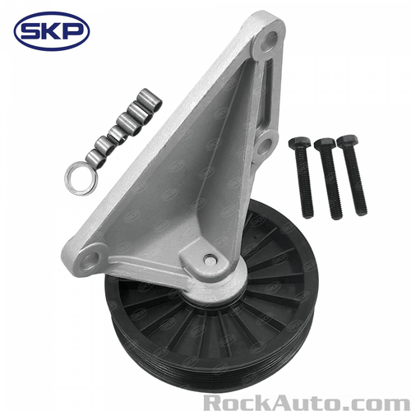 | https://www.rockauto.com/en/parts/skp,SK34151,a/c+compressor+bypass+pulley,10329
2 | Heat & Air Conditioning | A/C Compressor Bypass Pulley | SKP | SK34152 | CHEVROLET ASTRO 1987-1989 CHEVROLET BLAZER 1989-1995 CHEVROLET C1500 PICKUP 1990-1995 CHEVROLET C1500 SUBURBAN 1992-1995 CHEVROLET C2500 PICKUP 1990-1995 CHEVROLET C2500 SUBURBAN 1992-1995 CHEVROLET C3500 PICKUP 1990-1995 CHEVROLET K1500 PICKUP 1990-1995 CHEVROLET K1500 SUBURBAN 1992-1995 CHEVROLET K2500 PICKUP 1990-1995 CHEVROLET K2500 SUBURBAN 1992-1995 CHEVROLET K3500 PICKUP 1990-1995 CHEVROLET R1500 SUBURBAN 1989-1991 CHEVROLET R2500 SUBURBAN 1989-1991 CHEVROLET S10 BLAZER 1988-1994 CHEVROLET S10 PICKUP 1988-1995 CHEVROLET TAHOE 1995 CHEVROLET V1500 SUBURBAN 1989-1991 CHEVROLET V2500 SUBURBAN 1989-1991 GMC C1500 PICKUP 1990-1995 GMC C1500 SUBURBAN 1992-1995 GMC C2500 PICKUP 1990-1995 GMC C2500 SUBURBAN 1992-1995 GMC C3500 PICKUP 1990-1995 GMC JIMMY 1989-1995 GMC K1500 PICKUP 1990-1995 GMC K1500 SUBURBAN 1992-1995 GMC K2500 PICKUP 1990-1995 GMC K2500 SUBURBAN 1992-1995 GMC K3500 1990-1995 GMC R1500 SUBURBAN 1989-1991 GMC R2500 SUBURBAN 1989-1991 GMC S15 JIMMY 1988-1991 GMC S15 PICKUP 1988-1990 GMC SAFARI 1987-1989 GMC SONOMA 1991-1995 GMC SYCLONE 1991 GMC TYPHOON 1992-1993 GMC V1500 SUBURBAN 1989-1991 GMC V2500 SUBURBAN 1989-1991 GMC YUKON 1992-1995 OLDSMOBILE BRAVADA 1991-1994 |  | 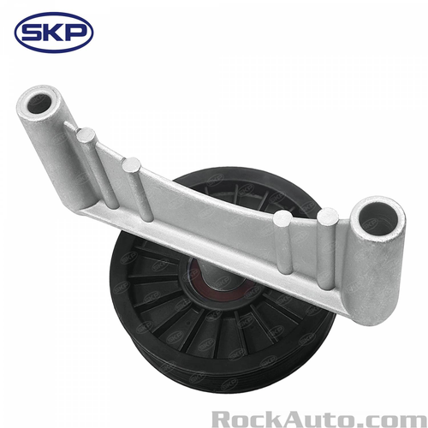 | https://www.rockauto.com/en/parts/skp,SK34152,a/c+compressor+bypass+pulley,10329
3 | Heat & Air Conditioning | A/C Compressor Bypass Pulley | SKP | SK34153 | BUICK SKYLARK 1992-1995 CHEVROLET BERETTA 1990-1996 CHEVROLET CAVALIER 1990-2002 CHEVROLET CORSICA 1990-1996 OLDSMOBILE ACHIEVA 1992-1995 PONTIAC GRAND AM 1992-1995 PONTIAC SUNFIRE 1995-2002 |  | 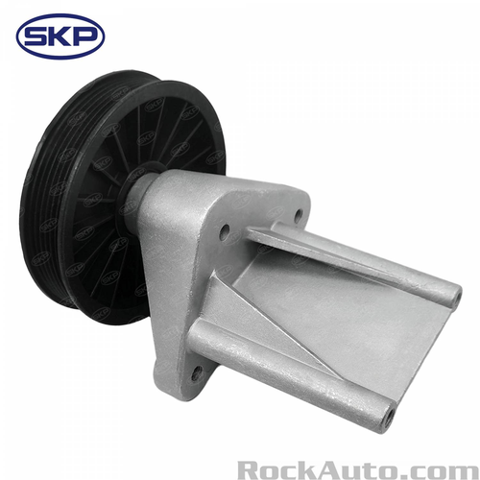 | https://www.rockauto.com/en/parts/skp,SK34153,a/c+compressor+bypass+pulley,10329
4 | Heat & Air Conditioning | A/C Compressor Bypass Pulley | SKP | SK34155 | CHEVROLET CAMARO 1993-1995 PONTIAC FIREBIRD 1993-1995 |  | 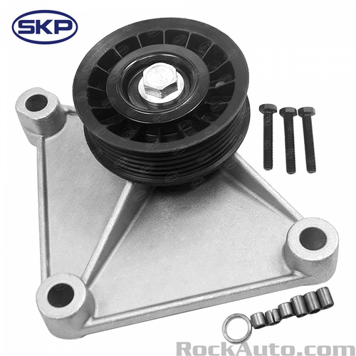 | https://www.rockauto.com/en/parts/skp,SK34155,a/c+compressor+bypass+pulley,10329
5 | Heat & Air Conditioning | A/C Compressor Bypass Pulley | SKP | SK34156 | CHRYSLER GRAND VOYAGER 2000 CHRYSLER TOWN & COUNTRY 1996-2000 CHRYSLER VOYAGER 2000 DODGE CARAVAN 1996-2000 DODGE GRAND CARAVAN 1996-2000 PLYMOUTH GRAND VOYAGER 1996-2000 PLYMOUTH VOYAGER 1996-2000 |  | 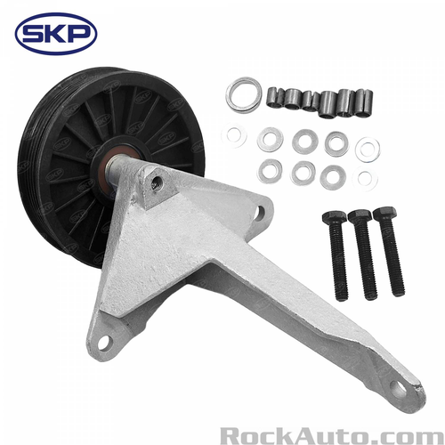 | https://www.rockauto.com/en/parts/skp,SK34156,a/c+compressor+bypass+pulley,10329
6 | Heat & Air Conditioning | A/C Compressor Bypass Pulley | SKP | SK34157 | CHEVROLET CAMARO 1988-1992 PONTIAC FIREBIRD 1988-1992 |  | 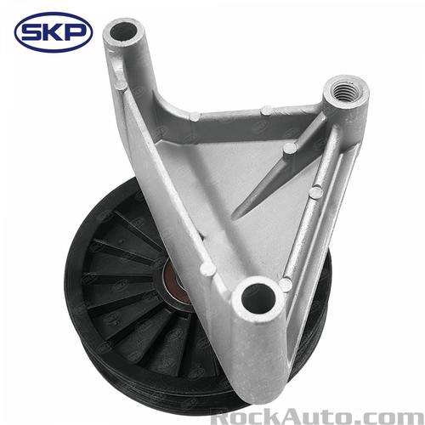 | https://www.rockauto.com/en/parts/skp,SK34157,a/c+compressor+bypass+pulley,10329
7 | Heat & Air Conditioning | A/C Compressor Bypass Pulley | SKP | SK34158 | CHEVROLET C1500 PICKUP 1996-1998 CHEVROLET C1500 SUBURBAN 1996-1999 CHEVROLET C2500 PICKUP 1996-2000 CHEVROLET C2500 SUBURBAN 1996-1999 CHEVROLET C3500 PICKUP 1996-2000 CHEVROLET K1500 PICKUP 1996-1998 CHEVROLET K1500 SUBURBAN 1996-1999 CHEVROLET K2500 PICKUP 1996-2000 CHEVROLET K2500 SUBURBAN 1996-1999 CHEVROLET K3500 PICKUP 1996-2000 CHEVROLET P30 1996-1999 CHEVROLET TAHOE 1996-1999 GMC C1500 PICKUP 1996-1997 GMC C1500 SUBURBAN 1996-1999 GMC C2500 PICKUP 1996-2000 GMC C2500 SUBURBAN 1996-1999 GMC C3500 PICKUP 1996-2000 GMC K1500 PICKUP 1996-1998 GMC K1500 SUBURBAN 1996-1999 GMC K2500 PICKUP 1996-2000 GMC K2500 SUBURBAN 1996-1999 GMC K3500 1996-2000 GMC P3500 1996-1999 GMC YUKON 1996-1997 WORKHORSE FASTRACK FT1801 2002 WORKHORSE FASTRACK FT1802 2002 |  | 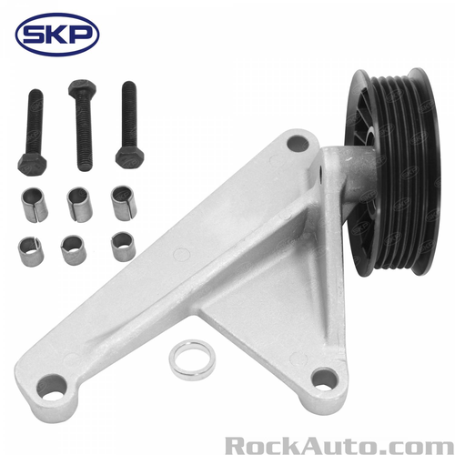 | https://www.rockauto.com/en/parts/skp,SK34158,a/c+compressor+bypass+pulley,10329
8 | Heat & Air Conditioning | A/C Compressor Bypass Pulley | SKP | SK34159 | FORD MUSTANG 1994-1995 |  | 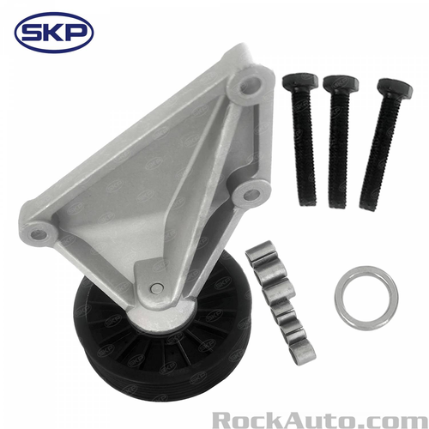 | https://www.rockauto.com/en/parts/skp,SK34159,a/c+compressor+bypass+pulley,10329
9 | Heat & Air Conditioning | A/C Compressor Bypass Pulley | SKP | SK34161 | CHEVROLET ASTRO 1995 GMC SAFARI 1995 |  | 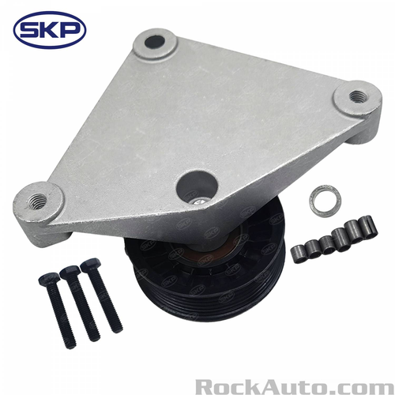 | https://www.rockauto.com/en/parts/skp,SK34161,a/c+compressor+bypass+pulley,10329
10 | Heat & Air Conditioning | A/C Compressor Bypass Pulley | SKP | SK34162 | CADILLAC ALLANTE 1987-1988 CADILLAC DEVILLE 1985-1987 CADILLAC ELDORADO 1986-1988 CADILLAC FLEETWOOD 1985-1987 CADILLAC SEVILLE 1986-1988 |  | 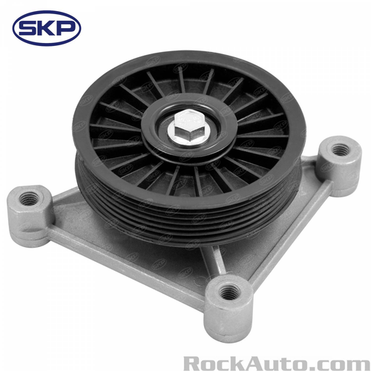 | https://www.rockauto.com/en/parts/skp,SK34162,a/c+compressor+bypass+pulley,10329

